Polinomios de algoritmos
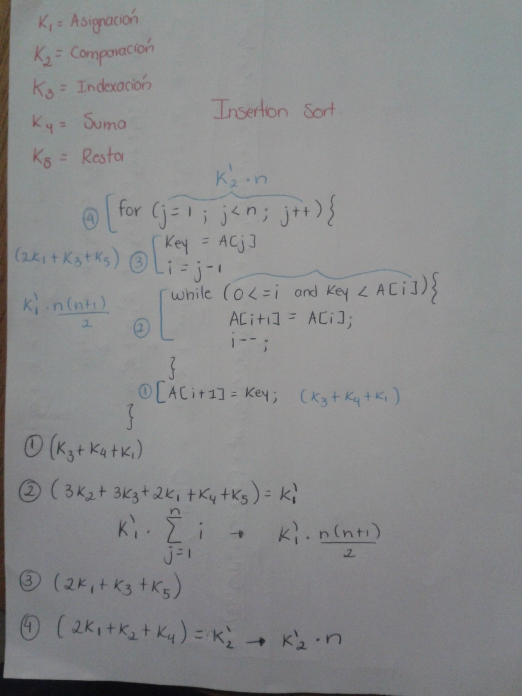
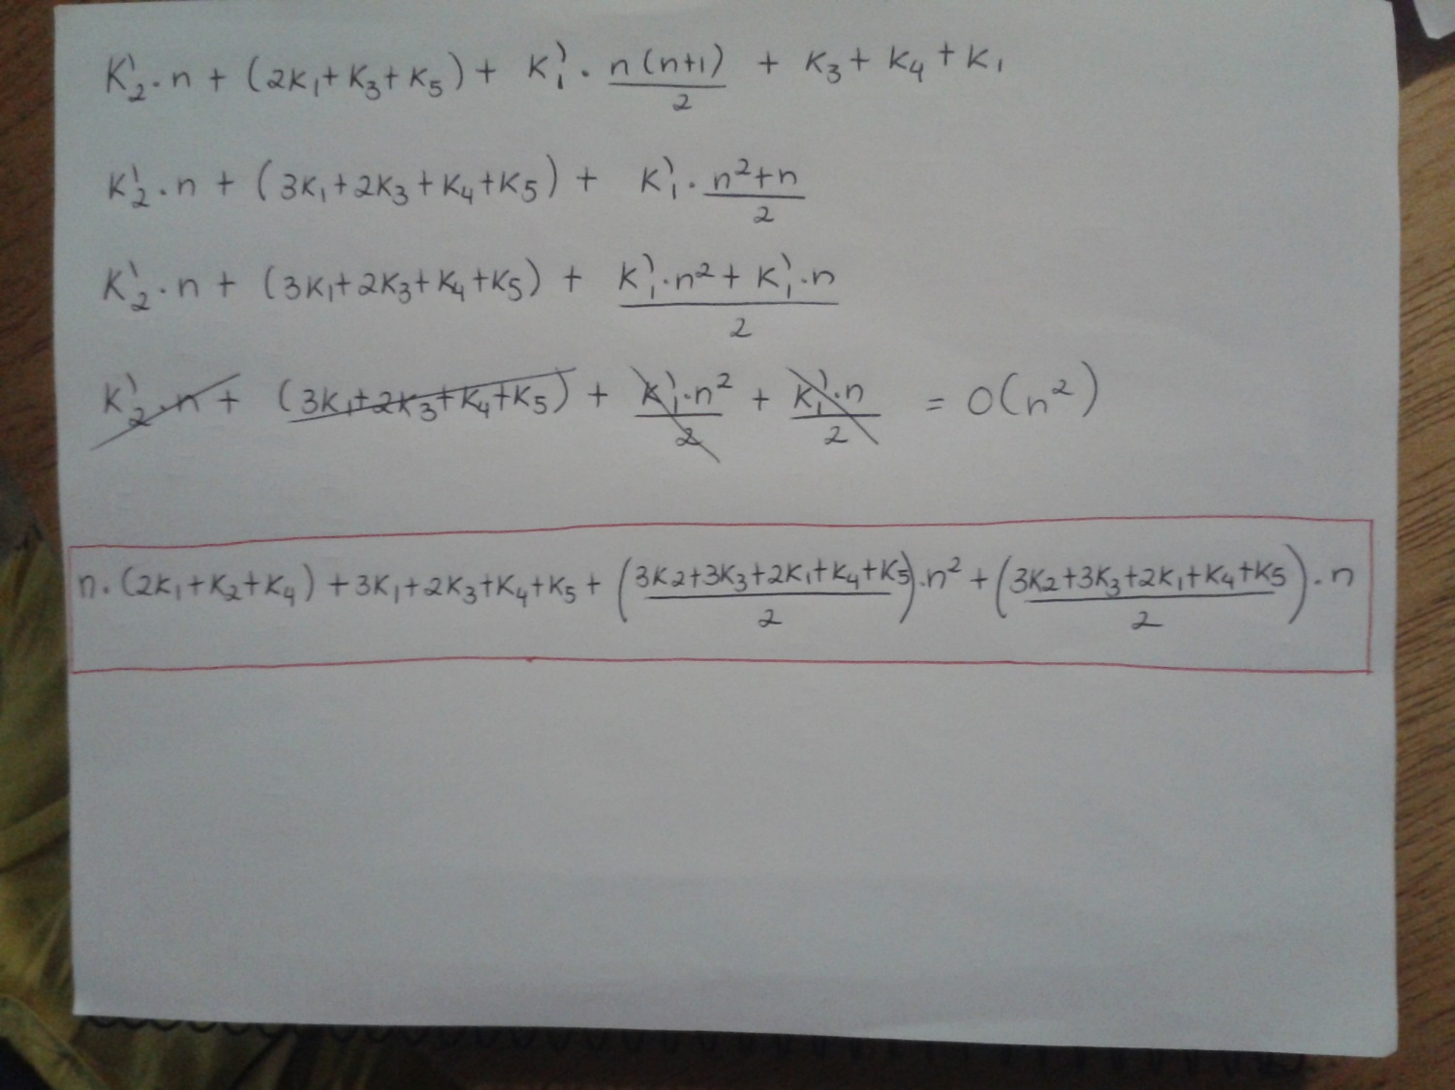
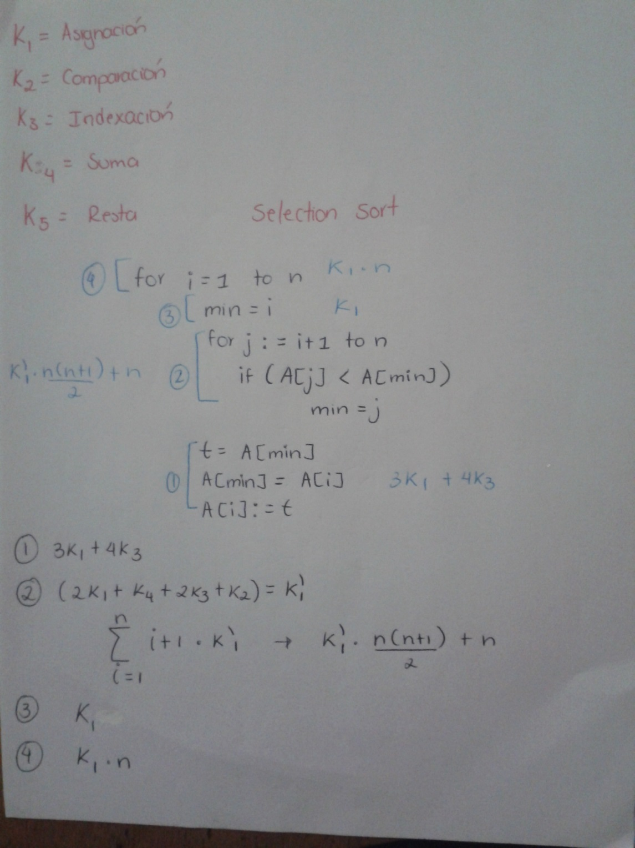
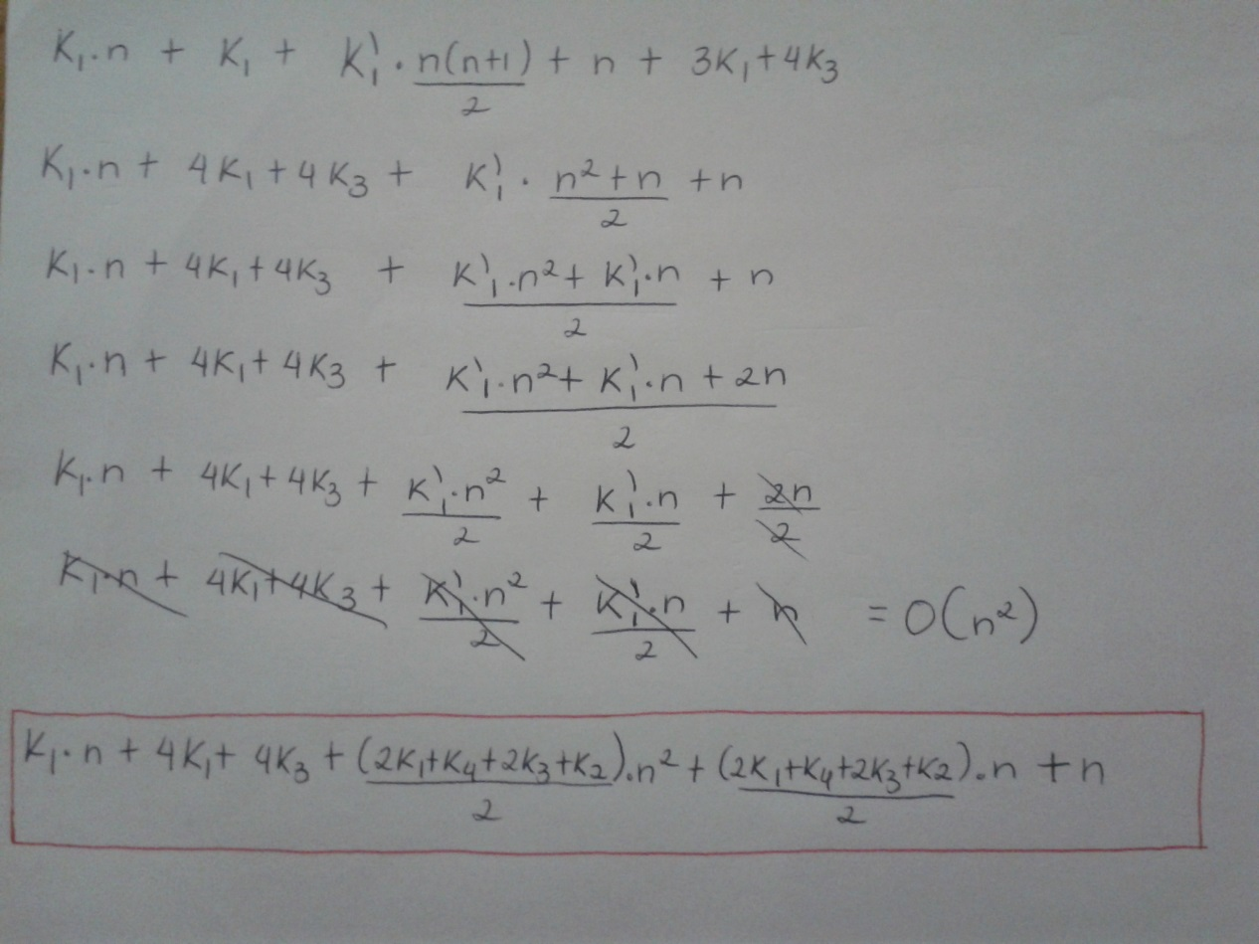
INSERTION SORT | SELECTION SORT

Analisis de Costos 1
Melissa Molina Corrales Carné : 2013006074

K1 | Costo de asignación | 10
K2 | Costo de comparaciones | 30
K3 | Costo de indexación | 40
K4 | Costo de suma | 50
K5 | Costo de resta | 20

 | n1 = 1500 | n2 = 2500 | n3 = 3500 | n4 = 4500 | n5= 5500 | n6= 6500 | n7 = 7500 | n8 = 8500 | n9 = 9500 | n10 = 10500 | n11 = 11500 | n12= 12500 | n13 = 13500 | n14 = 14500 | n15 = 15500 | n16 = 16500 | n17 =17500 | n18 = 18500 | n19 = 19500 | n20 = 20500
Insertion Sort | 337875180 | 938125180 | 1838375180 | 3038625180 | 4538875180 | 6339125180 | 8439375180 | 10839625180 | 13539875180 | 16540125180 | 19840375180 | 23440625180 | 27340875180 | 31541125180 | 36041375180 | 40841625180 | 45941875180 | 51342125180 | 57042375180 | 63042625180

 | n1 = 1500 | n2 = 2500 | n3 = 3500 | n4 = 4500 | n5= 5500 | n6= 6500 | n7 = 7500 | n8 = 8500 | n9 = 9500 | n10 = 10500 | n11 = 11500 | n12= 12500 | n13 = 13500 | n14 = 14500 | n15 = 15500 | n16 = 16500 | n17 =17500 | n18 = 18500 | n19 = 19500 | n20 = 20500
Selection Sort | 202651700 | 562752700 | 1102853700 | 1822954700 | 2723055700 | 3803156700 | 5063257700 | 6503358700 | 8123459700 | 9923560700 | 11903661700 | 14063762700 | 16403863700 | 18923964700 | 21624065700 | 24504166700 | 27564267700 | 30804368700 | 34224469700 | 37824570700

 |  |  |  |  |  |  |  | GRAFICOS

Analisis de Costos 2
K1 | Costo de asignación | 200
K2 | Costo de comparaciones | 80
K3 | Costo de indexación | 60
K4 | Costo de suma | 40
K5 | Costo de resta | 20

 | n1 = 1500 | n2 = 2500 | n3 = 3500 | n4 = 4500 | n5= 5500 | n6= 6500 | n7 = 7500 | n8 = 8500 | n9 = 9500 | n10 = 10500 | n11 = 11500 | n12= 12500 | n13 = 13500 | n14 = 14500 | n15 = 15500 | n16 = 16500 | n17 =17500 | n18 = 18500 | n19 = 19500 | n20 = 20500
Insertion Sort | 991440780 | 2752400780 | 5393360780 | 8914320780 | 13315280780 | 18596240780 | 24757200780 | 31798160780 | 39719120780 | 48520080780 | 58201040780 | 68762000780 | 80202960780 | 92523920780 | 105724880780 | 119805840780 | 134766800780 | 150607760780 | 167328720780 | 184929680780.

 | n1 = 1500 | n2 = 2500 | n3 = 3500 | n4 = 4500 | n5= 5500 | n6= 6500 | n7 = 7500 | n8 = 8500 | n9 = 9500 | n10 = 10500 | n11 = 11500 | n12= 12500 | n13 = 13500 | n14 = 14500 | n15 = 15500 | n16 = 16500 | n17 =17500 | n18 = 18500 | n19 = 19500 | n20 = 20500
Selection Sort | 720782540 | 2001303540 | 3921824540 | 6482345540 | 9682866540 | 13523387540 | 18003908540 | 23124429540 | 28884950540 | 35285471540 | 42325992540 | 50006513540 | 58327034540 | 67287555540 | 76888076540 | 87128597540 | 98009118540 | 109529639540 | 121690160540 | 134490681540

 |  |  |  |  |  |  |  |  | GRAFICOS

Analisis de Costos 3
K1 | Costo de asignación | 1000
K2 | Costo de comparaciones | 500
K3 | Costo de indexaciones | 60
K4 | Costo de suma | 10
K5 | Costo de resta | 30

 | n1 = 1500 | n2 = 2500 | n3 = 3500 | n4 = 4500 | n5= 5500 | n6= 6500 | n7 = 7500 | n8 = 8500 | n9 = 9500 | n10 = 10500 | n11 = 11500 | n12= 12500 | n13 = 13500 | n14 = 14500 | n15 = 15500 | n16 = 16500 | n17 =17500 | n18 = 18500 | n19 = 19500 | n20 = 20500
Insertion Sort | 4191558160 | 11635928160 | 22800298160 | 37684668160 | 56289038160 | 78613408160 | 104657778160 | 134422148160 | 167906518160 | 205110888160 | 246035258160 | 290679628160 | 339043998160 | 391128368160 | 446932738160 | 506457108160 | 569701478160 | 636665848160 | 707350218160 | 781754588160

 | n1 = 1500 | n2 = 2500 | n3 = 3500 | n4 = 4500 | n5= 5500 | n6= 6500 | n7 = 7500 | n8 = 8500 | n9 = 9500 | n10 = 10500 | n11 = 11500 | n12= 12500 | n13 = 13500 | n14 = 14500 | n15 = 15500 | n16 = 16500 | n17 =17500 | n18 = 18500 | n19 = 19500 | n20 = 20500
Selection Sort | 2962228240 | 8224544240 | 16116860240 | 26639176240 | 39791492240 | 55573808240 | 73986124240 | 95028440240 | 118700756240 | 145003072240 | 173935388240 | 205497704240 | 239690020240 | 276512336240 | 315964652240 | 358046968240 | 402759284240 | 450101600240 | 500073916240 | 552676232240

 |  |  |  |  |  |  |  |  |  | GRAFICOS

Analisis de Costos 4
K1 | Costo de asignación | 1500
K2 | Costo de comparaciones | 800
K3 | Costo de indexación | 500
K4 | Costo de suma | 40
K5 | Costo de resta | 10

 | n1 = 1500 | n2 = 2500 | n3 = 3500 | n4 = 4500 | n5= 5500 | n6= 6500 | n7 = 7500 | n8 = 8500 | n9 = 9500 | n10 = 10500 | n11 = 11500 | n12= 12500 | n13 = 13500 | n14 = 14500 | n15 = 15500 | n16 = 16500 | n17 =17500 | n18 = 18500 | n19 = 19500 | n20 = 20500
Insertion Sort | 7829728050 | 21737043050 | 42594358050 | 70401673050 | 105158988050 | 146866303050 | 195523618050 | 251130933050 | 313688248050 | 383195563050 | 459652878050 | 543060193050 | 633417508050 | 730724823050 | 834982138050 | 946189453050 | 1064346768050 | 1189454083050 | 1321511398050 | 1460518713050

 | n1 = 1500 | n2 = 2500 | n3 = 3500 | n4 = 4500 | n5= 5500 | n6= 6500 | n7 = 7500 | n8 = 8500 | n9 = 9500 | n10 = 10500 | n11 = 11500 | n12= 12500 | n13 = 13500 | n14 = 14500 | n15 = 15500 | n16 = 16500 | n17 =17500 | n18 = 18500 | n19 = 19500 | n20 = 20500
Selection Sort | 5450889500 | 15134810500 | 29658731500 | 49022652500 | 73226573500 | 102270494500 | 136154415500 | 174878336500 | 218442257500 | 266846178500 | 320090099500 | 378174020500 | 441097941500 | 508861862500 | 581465783500 | 658909704500 | 741193625500 | 828317546500 | 920281467500 | 1017085388500

 |  |  |  |  |  |  |  |  | GRAFICOS

Analisis de Costos 5
A

K1 | Costo de asignación | 700
K2 | Costo de comparaciones | 200
K3 | Costo de indexación | 80
K4 | Costo de suma | 20
K5 | Costo de resta | 10

 | n1 = 1500 | n2 = 2500 | n3 = 3500 | n4 = 4500 | n5= 5500 | n6= 6500 | n7 = 7500 | n8 = 8500 | n9 = 9500 | n10 = 10500 | n11 = 11500 | n12= 12500 | n13 = 13500 | n14 = 14500 | n15 = 15500 | n16 = 16500 | n17 =17500 | n18 = 18500 | n19 = 19500 | n20 = 20500
Insertion Sort | 2557884790 | 7100639790 | 13913394790 | 22996149790 | 34348904790 | 47971659790 | 63864414790 | 82027169790 | 102459924790 | 125162679790 | 150135434790 | 177378189790 | 206890944790 | 238673699790 | 272726454790 | 309049209790 | 347641964790 | 388504719790 | 431637474790 | 477040229790

 | n1 = 1500 | n2 = 2500 | n3 = 3500 | n4 = 4500 | n5= 5500 | n6= 6500 | n7 = 7500 | n8 = 8500 | n9 = 9500 | n10 = 10500 | n11 = 11500 | n12= 12500 | n13 = 13500 | n14 = 14500 | n15 = 15500 | n16 = 16500 | n17 =17500 | n18 = 18500 | n19 = 19500 | n20 = 20500
Selection Sort | 2004889620 | 5566480620 | 10908071620 | 18029662620 | 26931253620 | 37612844620 | 50074435620 | 64316026620 | 80337617620 | 98139208620 | 117720799620 | 139082390620 | 162223981620 | 187145572620 | 213847163620 | 242328754620 | 272590345620 | 304631936620 | 338453527620 | 374055118620

 |  |  |  |  |  |  |  |  |  | GRAFICOS

Codigo de algoritmos
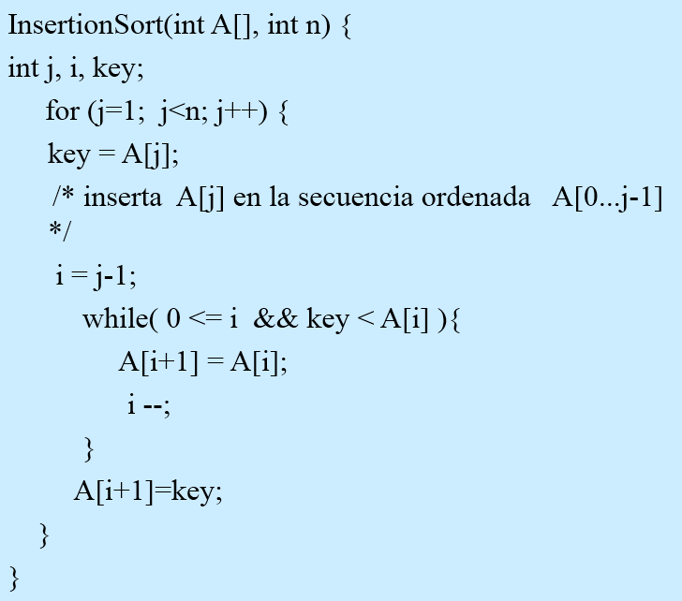
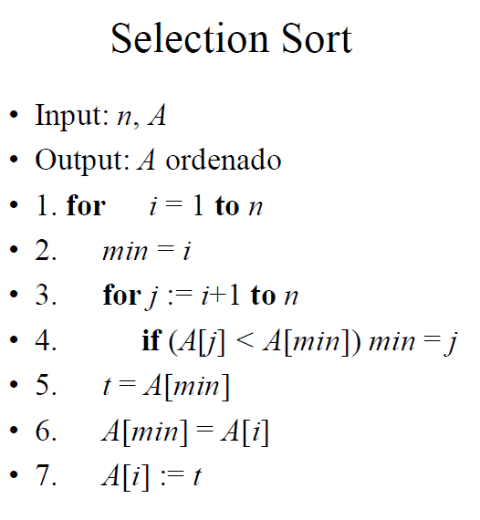
Algoritmos de ordenamiento

